readme
To fill in a new data series, follow the example in series_info_example and data_example, remove the data and fill in new data using the following definitions, creating a new tab for each dataseries :
Try to protect the time Series – only if it is completely a new system and can’t be cross correlated then a new series is needed.
In case you provide data for each EMU separately then you don't need to fill in for AL and vice versa

series_info
ser_nameshort | short name of the recuitment series eg `Vil` for the Vilaine
ser_namelong | long name of the recuitment series eg `Vilaine estuary` for the Vilaine
ser_typ_id | type of series 1= recruitment series
ser_effort_uni_code | unit used for effort, it is different from the unit used in the series, for instance some of the Dutch series rely on the number hauls made to collect the glass eel to qualify the series, see units sheet.
ser_comment | Comment on the series. This should provide a description of the series, including changes when those have happened
ser_uni_code | Units used in the series, see tr_units_uni sheet
ser_lfs_code | Lifestage see tr_lifestage_lfs sheet
ser_hty_code | Habitat type see tr_habitattype_hty (F=Freshwater, MO=Marine Open,T=transitional, AL=aggregate...)
ser_habitat_name | Habitat name : this should include location and method (e.g. "Bresle river trap 3 km from the sea" or IYFS/IBTS sampling in the Skagerrak-Kattegat"
ser_emu_nameshort | See the codes of the emu (emu_nameshort) in sheet tr_emu_emu. In case you provide data for each EMU separately then you don't need to fill in for AL and vice versa
ser_cou_code | See the cou_code in the tr_country_cou table
ser_area_division | Fao code of sea region (division level) see tr_fao_area (column division)(https://github.com/ices-eg/WGEEL/wiki). These codes are for use only in the case of Coastal and Marine Open waters – otherwise you can leave it blank. ICES statistical rectangles (http://gis.ices.dk/sf/index.html?widget=StatRec) and FAO areas map (http://www.fao.org/fishery/area/search/en)
ser_tblcodeid | This should refer to the id of the series once inserted in ICES station table, currently void
ser_x | x (longitude) EPSG:4326. WGS 84 (Google it)
ser_y | y (latitude) EPSG:4326. WGS 84 (Google it)
ser_sam_id | The sampling type corresponds to trap partial, trap total, see tr_samplingtype_sam (sam_id)

data
das_value | Value
das_year | Year
das_comment | Comment (including comments about data quality for this year)
das_effort | Effort (if used)

tr_faoareas
fid | f_level | f_code | f_status | ocean | subocean | f_area | f_subarea | f_division
227 | DIVISION | 21.0.A | 1 | Atlantic | 2 | 21 | 21 | 21.0.A
230 | DIVISION | 21.0.B | 1 | Atlantic | 2 | 21 | 21 | 21.0.B | Please check also the maps provided by ICES
228 | DIVISION | 21.1.A | 1 | Atlantic | 2 | 21 | 21.1 | 21.1.A | ICES statistical rectangles | http://gis.ices.dk/sf/index.html?widget=StatRec
229 | DIVISION | 21.1.B | 1 | Atlantic | 2 | 21 | 21.1 | 21.1.B | FAO areas map | http://www.fao.org/fishery/area/search/en
231 | DIVISION | 21.1.C | 1 | Atlantic | 2 | 21 | 21.1 | 21.1.C
195 | DIVISION | 21.1.D | 1 | Atlantic | 2 | 21 | 21.1 | 21.1.D | These codes are for use only in the case of Coatsal and Marine Open waters – otherwise you can leave it
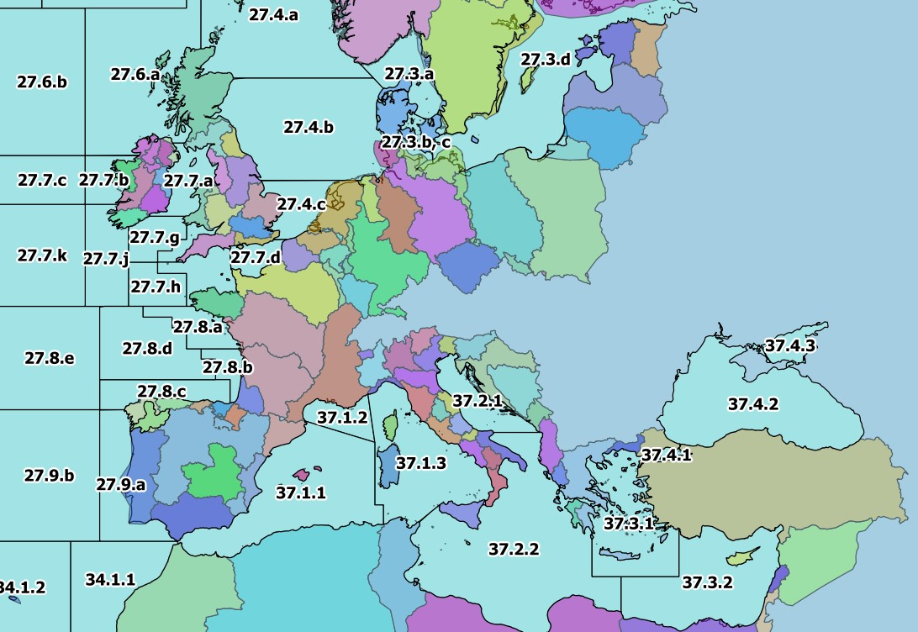
196 | DIVISION | 21.1.E | 1 | Atlantic | 2 | 21 | 21.1 | 21.1.E
198 | DIVISION | 21.1.F | 1 | Atlantic | 2 | 21 | 21.1 | 21.1.F
197 | DIVISION | 21.2.G | 1 | Atlantic | 2 | 21 | 21.2 | 21.2.G
199 | DIVISION | 21.2.H | 1 | Atlantic | 2 | 21 | 21.2 | 21.2.H
235 | DIVISION | 21.2.J | 1 | Atlantic | 2 | 21 | 21.2 | 21.2.J
234 | DIVISION | 21.3.K | 1 | Atlantic | 2 | 21 | 21.3 | 21.3.K
239 | DIVISION | 21.3.L | 1 | Atlantic | 2 | 21 | 21.3 | 21.3.L
200 | DIVISION | 21.3.M | 1 | Atlantic | 2 | 21 | 21.3 | 21.3.M
218 | DIVISION | 21.3.N | 1 | Atlantic | 2 | 21 | 21.3 | 21.3.N
201 | DIVISION | 21.3.O | 1 | Atlantic | 2 | 21 | 21.3 | 21.3.O
240 | DIVISION | 21.3.P | 1 | Atlantic | 2 | 21 | 21.3 | 21.3.P
238 | DIVISION | 21.4.R | 1 | Atlantic | 2 | 21 | 21.4 | 21.4.R
233 | DIVISION | 21.4.S | 1 | Atlantic | 2 | 21 | 21.4 | 21.4.S
243 | DIVISION | 21.4.T | 1 | Atlantic | 2 | 21 | 21.4 | 21.4.T
219 | DIVISION | 21.4.V | 1 | Atlantic | 2 | 21 | 21.4 | 21.4.V
232 | DIVISION | 21.4.W | 1 | Atlantic | 2 | 21 | 21.4 | 21.4.W
241 | DIVISION | 21.4.X | 1 | Atlantic | 2 | 21 | 21.4 | 21.4.X
242 | DIVISION | 21.5.Y | 1 | Atlantic | 2 | 21 | 21.5 | 21.5.Y
220 | DIVISION | 21.5.Z | 1 | Atlantic | 2 | 21 | 21.5 | 21.5.Z
236 | DIVISION | 21.6.A | 1 | Atlantic | 2 | 21 | 21.6 | 21.6.A
221 | DIVISION | 21.6.B | 1 | Atlantic | 2 | 21 | 21.6 | 21.6.B
237 | DIVISION | 21.6.C | 1 | Atlantic | 2 | 21 | 21.6 | 21.6.C
222 | DIVISION | 21.6.D | 1 | Atlantic | 2 | 21 | 21.6 | 21.6.D
223 | DIVISION | 21.6.E | 1 | Atlantic | 2 | 21 | 21.6 | 21.6.E
224 | DIVISION | 21.6.F | 1 | Atlantic | 2 | 21 | 21.6 | 21.6.F
225 | DIVISION | 21.6.G | 1 | Atlantic | 2 | 21 | 21.6 | 21.6.G
226 | DIVISION | 21.6.H | 1 | Atlantic | 2 | 21 | 21.6 | 21.6.H
267 | DIVISION | 27.1.a | 1 | Atlantic | 2 | 27 | 27.1 | 27.1.a
275 | DIVISION | 27.1.b | 1 | Atlantic | 2 | 27 | 27.1 | 27.1.b
171 | DIVISION | 27.10.a | 1 | Atlantic | 2 | 27 | 27.1 | 27.10.a
215 | DIVISION | 27.10.b | 1 | Atlantic | 2 | 27 | 27.1 | 27.10.b
262 | DIVISION | 27.12.a | 1 | Atlantic | 2 | 27 | 27.12 | 27.12.a
116 | DIVISION | 27.12.b | 1 | Atlantic | 2 | 27 | 27.12 | 27.12.b
253 | DIVISION | 27.12.c | 1 | Atlantic | 2 | 27 | 27.12 | 27.12.c
268 | DIVISION | 27.14.a | 1 | Atlantic | 2 | 27 | 27.14 | 27.14.a
264 | DIVISION | 27.14.b | 1 | Atlantic | 2 | 27 | 27.14 | 27.14.b
265 | DIVISION | 27.2.a | 1 | Atlantic | 2 | 27 | 27.2 | 27.2.a
266 | DIVISION | 27.2.b | 1 | Atlantic | 2 | 27 | 27.2 | 27.2.b
277 | DIVISION | 27.3.a | 1 | Atlantic | 2 | 27 | 27.3 | 27.3.a
258 | DIVISION | 27.3.b, c | 1 | Atlantic | 2 | 27 | 27.3 | 27.3.b, c
257 | DIVISION | 27.3.d | 1 | Atlantic | 2 | 27 | 27.3 | 27.3.d
274 | DIVISION | 27.4.a | 1 | Atlantic | 2 | 27 | 27.4 | 27.4.a
259 | DIVISION | 27.4.b | 1 | Atlantic | 2 | 27 | 27.4 | 27.4.b
255 | DIVISION | 27.4.c | 1 | Atlantic | 2 | 27 | 27.4 | 27.4.c
263 | DIVISION | 27.5.a | 1 | Atlantic | 2 | 27 | 27.5 | 27.5.a
261 | DIVISION | 27.5.b | 1 | Atlantic | 2 | 27 | 27.5 | 27.5.b
271 | DIVISION | 27.6.a | 1 | Atlantic | 2 | 27 | 27.6 | 27.6.a
260 | DIVISION | 27.6.b | 1 | Atlantic | 2 | 27 | 27.6 | 27.6.b
273 | DIVISION | 27.7.a | 1 | Atlantic | 2 | 27 | 27.7 | 27.7.a
272 | DIVISION | 27.7.b | 1 | Atlantic | 2 | 27 | 27.7 | 27.7.b
256 | DIVISION | 27.7.c | 1 | Atlantic | 2 | 27 | 27.7 | 27.7.c
270 | DIVISION | 27.7.d | 1 | Atlantic | 2 | 27 | 27.7 | 27.7.d
269 | DIVISION | 27.7.e | 1 | Atlantic | 2 | 27 | 27.7 | 27.7.e
251 | DIVISION | 27.7.f | 1 | Atlantic | 2 | 27 | 27.7 | 27.7.f
252 | DIVISION | 27.7.g | 1 | Atlantic | 2 | 27 | 27.7 | 27.7.g
250 | DIVISION | 27.7.h | 1 | Atlantic | 2 | 27 | 27.7 | 27.7.h
249 | DIVISION | 27.7.j | 1 | Atlantic | 2 | 27 | 27.7 | 27.7.j
254 | DIVISION | 27.7.k | 1 | Atlantic | 2 | 27 | 27.7 | 27.7.k
248 | DIVISION | 27.8.a | 1 | Atlantic | 2 | 27 | 27.8 | 27.8.a
214 | DIVISION | 27.8.b | 1 | Atlantic | 2 | 27 | 27.8 | 27.8.b
213 | DIVISION | 27.8.c | 1 | Atlantic | 2 | 27 | 27.8 | 27.8.c
217 | DIVISION | 27.8.d | 1 | Atlantic | 2 | 27 | 27.8 | 27.8.d
216 | DIVISION | 27.8.e | 1 | Atlantic | 2 | 27 | 27.8 | 27.8.e
212 | DIVISION | 27.9.a | 1 | Atlantic | 2 | 27 | 27.9 | 27.9.a
172 | DIVISION | 27.9.b | 1 | Atlantic | 2 | 27 | 27.9 | 27.9.b
123 | DIVISION | 34.1.1 | 1 | Atlantic | 3 | 34 | 34.1 | 34.1.1
122 | DIVISION | 34.1.2 | 1 | Atlantic | 3 | 34 | 34.1 | 34.1.2
126 | DIVISION | 34.1.3 | 1 | Atlantic | 3 | 34 | 34.1 | 34.1.3
134 | DIVISION | 34.3.1 | 1 | Atlantic | 3 | 34 | 34.3 | 34.3.1
132 | DIVISION | 34.3.2 | 1 | Atlantic | 3 | 34 | 34.3 | 34.3.2
142 | DIVISION | 34.3.3 | 1 | Atlantic | 3 | 34 | 34.3 | 34.3.3
144 | DIVISION | 34.3.4 | 1 | Atlantic | 3 | 34 | 34.3 | 34.3.4
145 | DIVISION | 34.3.5 | 1 | Atlantic | 3 | 34 | 34.3 | 34.3.5
178 | DIVISION | 34.3.6 | 1 | Atlantic | 3 | 34 | 34.3 | 34.3.6
158 | DIVISION | 34.4.1 | 1 | Atlantic | 3 | 34 | 34.4 | 34.4.1
131 | DIVISION | 34.4.2 | 1 | Atlantic | 3 | 34 | 34.4 | 34.4.2
177 | DIVISION | 37.1.1 | 1 | Atlantic | 3 | 37 | 37.1 | 37.1.1
114 | DIVISION | 37.1.2 | 1 | Atlantic | 3 | 37 | 37.1 | 37.1.2
115 | DIVISION | 37.1.3 | 1 | Atlantic | 3 | 37 | 37.1 | 37.1.3
117 | DIVISION | 37.2.1 | 1 | Atlantic | 3 | 37 | 37.2 | 37.2.1
118 | DIVISION | 37.2.2 | 1 | Atlantic | 3 | 37 | 37.2 | 37.2.2
119 | DIVISION | 37.3.1 | 1 | Atlantic | 3 | 37 | 37.3 | 37.3.1
121 | DIVISION | 37.3.2 | 1 | Atlantic | 3 | 37 | 37.3 | 37.3.2
120 | DIVISION | 37.4.1 | 1 | Atlantic | 3 | 37 | 37.4 | 37.4.1
112 | DIVISION | 37.4.2 | 1 | Atlantic | 3 | 37 | 37.4 | 37.4.2
113 | DIVISION | 37.4.3 | 1 | Atlantic | 3 | 37 | 37.4 | 37.4.3
148 | DIVISION | 41.1.1 | 1 | Atlantic | 4 | 41 | 41.1 | 41.1.1
150 | DIVISION | 41.1.2 | 1 | Atlantic | 4 | 41 | 41.1 | 41.1.2
151 | DIVISION | 41.1.3 | 1 | Atlantic | 4 | 41 | 41.1 | 41.1.3
157 | DIVISION | 41.1.4 | 1 | Atlantic | 4 | 41 | 41.1 | 41.1.4
156 | DIVISION | 41.2.1 | 1 | Atlantic | 4 | 41 | 41.2 | 41.2.1
163 | DIVISION | 41.2.2 | 1 | Atlantic | 4 | 41 | 41.2 | 41.2.2
175 | DIVISION | 41.2.3 | 1 | Atlantic | 4 | 41 | 41.2 | 41.2.3
169 | DIVISION | 41.2.4 | 1 | Atlantic | 4 | 41 | 41.2 | 41.2.4
176 | DIVISION | 41.3.1 | 1 | Atlantic | 4 | 41 | 41.3 | 41.3.1
189 | DIVISION | 41.3.2 | 1 | Atlantic | 4 | 41 | 41.3 | 41.3.2
170 | DIVISION | 41.3.3 | 1 | Atlantic | 4 | 41 | 41.3 | 41.3.3
202 | DIVISION | 47.1.1 | 1 | Atlantic | 4 | 47 | 47.1 | 47.1.1
203 | DIVISION | 47.1.2 | 1 | Atlantic | 4 | 47 | 47.1 | 47.1.2
208 | DIVISION | 47.1.3 | 1 | Atlantic | 4 | 47 | 47.1 | 47.1.3
209 | DIVISION | 47.1.4 | 1 | Atlantic | 4 | 47 | 47.1 | 47.1.4
210 | DIVISION | 47.1.5 | 1 | Atlantic | 4 | 47 | 47.1 | 47.1.5
211 | DIVISION | 47.1.6 | 1 | Atlantic | 4 | 47 | 47.1 | 47.1.6
207 | DIVISION | 47.2.1 | 1 | Atlantic | 4 | 47 | 47.2 | 47.2.1
206 | DIVISION | 47.2.2 | 1 | Atlantic | 4 | 47 | 47.2 | 47.2.2
193 | DIVISION | 47.A.0 | 1 | Atlantic | 4 | 47 | 47.A | 47.A.0
194 | DIVISION | 47.A.1 | 1 | Atlantic | 4 | 47 | 47.A | 47.A.1
247 | DIVISION | 47.B.0 | 1 | Atlantic | 4 | 47 | 47.B | 47.B.0
245 | DIVISION | 47.B.1 | 1 | Atlantic | 4 | 47 | 47.B | 47.B.1
204 | DIVISION | 47.C.0 | 1 | Atlantic | 4 | 47 | 47.C | 47.C.0
246 | DIVISION | 47.C.1 | 1 | Atlantic | 4 | 47 | 47.C | 47.C.1
205 | DIVISION | 47.D.0 | 1 | Atlantic | 4 | 47 | 47.D | 47.D.0
244 | DIVISION | 47.D.1 | 1 | Atlantic | 4 | 47 | 47.D | 47.D.1
152 | DIVISION | 57.5.1 | 1 | Indian | 5 | 57 | 57.5 | 57.5.1
159 | DIVISION | 57.5.2 | 1 | Indian | 5 | 57 | 57.5 | 57.5.2
191 | DIVISION | 58.4.1 | 1 | Indian | 10 | 58 | 58.4 | 58.4.1
190 | DIVISION | 58.4.2 | 1 | Indian | 10 | 58 | 58.4 | 58.4.2
192 | DIVISION | 58.4.3 | 1 | Indian | 10 | 58 | 58.4 | 58.4.3
174 | DIVISION | 58.4.4 | 1 | Indian | 10 | 58 | 58.4 | 58.4.4
168 | DIVISION | 58.5.1 | 1 | Indian | 10 | 58 | 58.5 | 58.5.1
173 | DIVISION | 58.5.2 | 1 | Indian | 10 | 58 | 58.5 | 58.5.2
133 | DIVISION | 71.6.1 | 1 | Pacific | 7 | 71 | _71.6 | 71.6.1
130 | DIVISION | 71.6.2 | 1 | Pacific | 7 | 71 | _71.6 | 71.6.2
143 | DIVISION | 87.1.1 | 1 | Pacific | 8 | 87 | 87.1 | 87.1.1
146 | DIVISION | 87.1.2 | 1 | Pacific | 8 | 87 | 87.1 | 87.1.2
149 | DIVISION | 87.1.3 | 1 | Pacific | 8 | 87 | 87.1 | 87.1.3
147 | DIVISION | 87.1.4 | 1 | Pacific | 8 | 87 | 87.1 | 87.1.4
155 | DIVISION | 87.2.1 | 1 | Pacific | 8 | 87 | 87.2 | 87.2.1
154 | DIVISION | 87.2.2 | 1 | Pacific | 8 | 87 | 87.2 | 87.2.2
160 | DIVISION | 87.2.3 | 1 | Pacific | 8 | 87 | 87.2 | 87.2.3
164 | DIVISION | 87.2.4 | 1 | Pacific | 8 | 87 | 87.2 | 87.2.4
162 | DIVISION | 87.2.5 | 1 | Pacific | 8 | 87 | 87.2 | 87.2.5
153 | DIVISION | 87.2.6 | 1 | Pacific | 8 | 87 | 87.2 | 87.2.6
167 | DIVISION | 87.3.1 | 1 | Pacific | 8 | 87 | 87.3 | 87.3.1
166 | DIVISION | 87.3.2 | 1 | Pacific | 8 | 87 | 87.3 | 87.3.2
165 | DIVISION | 87.3.3 | 1 | Pacific | 8 | 87 | 87.3 | 87.3.3

